Sheet1
2008 Toyota Rav4 Sport 2.4
WHEEL HUB/REAR AXLE HUB
Your Vehicle: 2008 Toyota Truck RAV4 2WD L4-2.4L (2AZ-FE)

 | Vehicle » Transmission and Drivetrain » Drive Axles, Bearings and Joints » Wheel Hub » Testing and Inspection » Rear Axle Hub and Bearing

 | Rear Axle Hub and Bearing

AXLE: REAR AXLE HUB AND BEARING: ON-VEHICLE INSPECTION

ON-VEHICLE INSPECTION

1. REMOVE REAR WHEEL
2. DISCONNECT REAR DRIVE SHAFT ASSEMBLY LH (for 4WD)

(a) | Disconnect the drive shaft .

3. REMOVE REAR DISC BRAKE CYLINDER ASSEMBLY LH See: Brakes and Traction Control\Disc Brake System\Service and Repair\Rear Brake\Removal
4. REMOVE REAR DISC See: Brakes and Traction Control\Disc Brake System\Service and Repair\Rear Brake\Disassembly
5. CHECK BEARING BACKLASH AND AXLE HUB DEVIATION

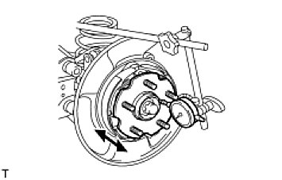

(a) | Using a dial indicator, measure the backlash near the center of the axle hub.
Maximum backlash:
0.05 mm (0.0020 in.)

If the backlash is greater than the maximum, replace the axle hub.

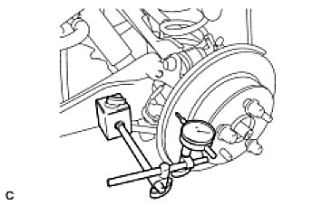

(b) | Using a dial indicator, measure the disc runout 10 mm (0.39 in.) inside the outer edge of the disc.
Maximum deviation:
0.08 mm (0.0031 in.) for 2WD
0.06 mm (0.0024 in.) for 4WD
NOTE: If the runout exceeds the maximum, change the installation positions of the rear disc and axle hub so that the runout will be as low as possible. If the runout exceeds the maximum even when the installation positions are changed, shave the rear disc. If the rear disc needs to be shaved to less than the minimum, replace the rear disc. If the rear disc is replaced, perform the runout inspection again. If the runout still exceeds the maximum, replace the hub and bearing with a new one.

